2017All
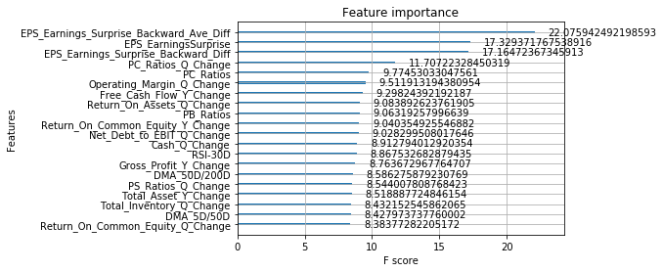
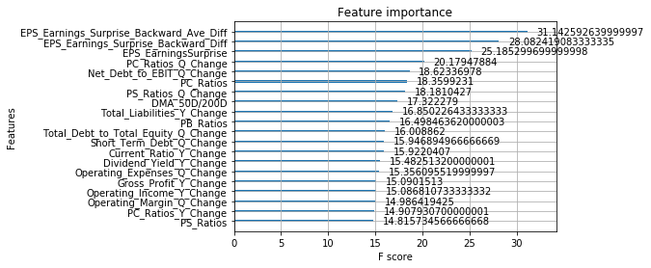
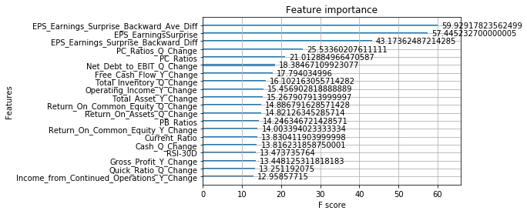
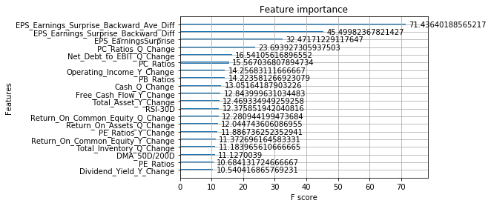
 |  |  |  | 1. Exclude certain data points. These excluded data points are the last two quarters of companies that ceased to trade
Target: |  |  |  | 2. Exclude those quarters during the two financial crisis
2017 Full Year | training | 36242 |  | 3. Exclude any data points before 2003
 | validation | 4027 | 10%
 | testing | 3714

Model Params |  |  |  | Model Params | Model Params | Model Params
GA results:eta = 0.200000, max_depth = 1, colsample_bytree = 0.680000, subsample = 0.100000, gamma = 0.180000, min_child_weight = 8 |  |  |  | GA results:eta = 0.040000, max_depth = 6, colsample_bytree = 0.480000, subsample = 0.440000, gamma = 0.600000, min_child_weight = 2 | GA results:eta = 0.160000, max_depth = 2, colsample_bytree = 0.320000, subsample = 0.640000, gamma = 0.000000, min_child_weight = 7 | GA results:eta = 0.140000, max_depth = 3, colsample_bytree = 0.660000, subsample = 0.920000, gamma = 0.100000, min_child_weight = 5

Evaluation stats during actual model training: |  |  |  | Evaluation stats during actual model training: | Evaluation stats during actual model training: | Evaluation stats during actual model training:
[0] train-error:0.43325 eval-error:0.424552 |  |  |  | [0] train-error:0.416432 eval-error:0.433063 | [0] train-error:0.42976 eval-error:0.423369 | [0] train-error:0.429376 eval-error:0.42531
 |  |  |  | Multiple eval metrics have been passed: 'eval-error' will be used for early stopping. | Multiple eval metrics have been passed: 'eval-error' will be used for early stopping. | Multiple eval metrics have been passed: 'eval-error' will be used for early stopping.

Results |  |  |  | Results | Results | Results
Accuracy: 57.73% |  |  |  | Accuracy: 58.00% | Accuracy: 58.70% | Accuracy: 57.65%

--precision = 0.577275, recall = 0.577275 |  |  |  | --precision = 0.579968, recall = 0.579968 | --precision = 0.586968, recall = 0.586968 | --precision = 0.576467, recall = 0.576467

--precision = 0.577275, recall = 0.577275 |  |  |  | --precision = 0.579968, recall = 0.579968 | --precision = 0.586968, recall = 0.586968 | --precision = 0.576467, recall = 0.576467

precision recall f1-score support |  |  |  | precision recall f1-score support | precision recall f1-score support | precision recall f1-score support

class 0.0 0.58 0.55 0.57 1868 |  |  |  | class 0.0 0.59 0.52 0.56 1868 | class 0.0 0.60 0.54 0.57 1868 | class 0.0 0.59 0.54 0.56 1868
class 1.0 0.57 0.60 0.59 1846 |  |  |  | class 1.0 0.57 0.64 0.60 1846 | class 1.0 0.58 0.64 0.61 1846 | class 1.0 0.57 0.62 0.59 1846

micro avg 0.58 0.58 0.58 3714 |  |  |  | micro avg 0.58 0.58 0.58 3714 | micro avg 0.59 0.59 0.59 3714 | micro avg 0.58 0.58 0.58 3714
macro avg 0.58 0.58 0.58 3714 |  |  |  | macro avg 0.58 0.58 0.58 3714 | macro avg 0.59 0.59 0.59 3714 | macro avg 0.58 0.58 0.58 3714
weighted avg 0.58 0.58 0.58 3714 |  |  |  | weighted avg 0.58 0.58 0.58 3714 | weighted avg 0.59 0.59 0.59 3714 | weighted avg 0.58 0.58 0.58 3714

2016All
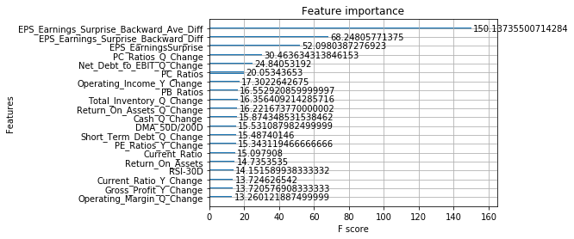
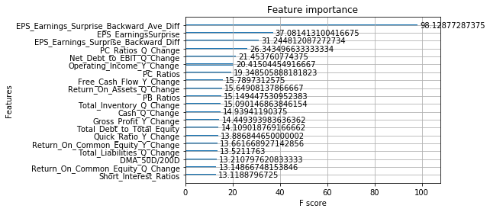
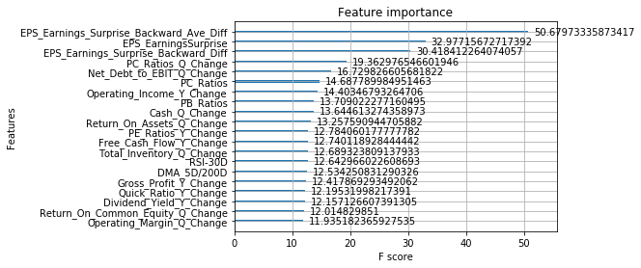
 |  |  |  | 1. Exclude certain data points. These excluded data points are the last two quarters of companies that ceased to trade
Target: |  |  |  | 2. Exclude those quarters during the two financial crisis
2016 Full Year | training | 36314 |  | 3. Exclude any data points before 2003
 | validation | 4035 | 10%
 | testing | 3634

Model Params |  |  |  | Model Params | Model Params | Model Params
GA results:eta = 0.260000, max_depth = 2, colsample_bytree = 1.000000, subsample = 0.940000, gamma = 0.460000, min_child_weight = 1 |  |  |  | GA results:eta = 0.120000, max_depth = 2, colsample_bytree = 0.500000, subsample = 0.600000, gamma = 0.620000, min_child_weight = 8 | GA results:eta = 0.040000, max_depth = 4, colsample_bytree = 0.860000, subsample = 0.580000, gamma = 0.380000, min_child_weight = 1

Evaluation stats during actual model training: |  |  |  | Evaluation stats during actual model training: | Evaluation stats during actual model training:
[0] train-error:0.428171 eval-error:0.439596 |  |  |  | [0] train-error:0.428542 eval-error:0.438804 | [0] train-error:0.428986 eval-error:0.447926
Multiple eval metrics have been passed: 'eval-error' will be used for early stopping. |  |  |  | Multiple eval metrics have been passed: 'eval-error' will be used for early stopping. | Multiple eval metrics have been passed: 'eval-error' will be used for early stopping.

Results |  |  |  | Results | Results | Results
Accuracy: 58.89% |  |  |  | Accuracy: 58.92% | Accuracy: 59.16%

--precision = 0.588883, recall = 0.588883 |  |  |  | --precision = 0.589158, recall = 0.589158 | --precision = 0.591635, recall = 0.591635

--precision = 0.588883, recall = 0.588883 |  |  |  | --precision = 0.589158, recall = 0.589158 | --precision = 0.591635, recall = 0.591635

precision recall f1-score support |  |  |  | precision recall f1-score support | precision recall f1-score support

class 0.0 0.56 0.54 0.55 1676 |  |  |  | class 0.0 0.56 0.55 0.55 1676 | class 0.0 0.56 0.54 0.55 1676
class 1.0 0.62 0.63 0.62 1958 |  |  |  | class 1.0 0.62 0.62 0.62 1958 | class 1.0 0.62 0.64 0.63 1958

micro avg 0.59 0.59 0.59 3634 |  |  |  | micro avg 0.59 0.59 0.59 3634 | micro avg 0.59 0.59 0.59 3634
macro avg 0.59 0.59 0.59 3634 |  |  |  | macro avg 0.59 0.59 0.59 3634 | macro avg 0.59 0.59 0.59 3634
weighted avg 0.59 0.59 0.59 3634 |  |  |  | weighted avg 0.59 0.59 0.59 3634 | weighted avg 0.59 0.59 0.59 3634

2015All
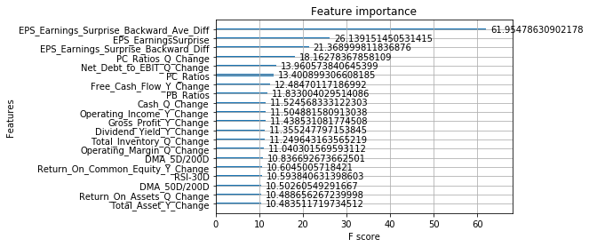
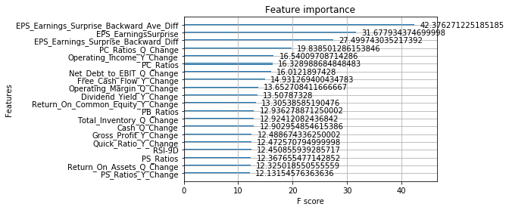
 |  |  |  | 1. Exclude certain data points. These excluded data points are the last two quarters of companies that ceased to trade
Target: |  |  |  | 2. Exclude those quarters during the two financial crisis
2015 Full Year | training | 36418 |  | 3. Exclude any data points before 2003
 | validation | 4046 | 10%
 | testing | 3519

Model Params |  |  |  | Model Params | Model Params | Model Params
GA results:eta = 0.040000, max_depth = 6, colsample_bytree = 0.940000, subsample = 0.840000, gamma = 0.360000, min_child_weight = 8 |  |  |  | GA results:eta = 0.120000, max_depth = 3, colsample_bytree = 0.920000, subsample = 0.460000, gamma = 0.500000, min_child_weight = 9

Evaluation stats during actual model training: |  |  |  | Evaluation stats during actual model training:
[0] train-error:0.404586 eval-error:0.434802 |  |  |  | [0] train-error:0.426636 eval-error:0.426482
Multiple eval metrics have been passed: 'eval-error' will be used for early stopping. |  |  |  | Multiple eval metrics have been passed: 'eval-error' will be used for early stopping.

Results |  |  |  | Results | Results | Results
Accuracy: 59.48% |  |  |  | Accuracy: 59.22%

--precision = 0.594771, recall = 0.594771 |  |  |  | --precision = 0.592214, recall = 0.592214

--precision = 0.594771, recall = 0.594771 |  |  |  | --precision = 0.592214, recall = 0.592214

precision recall f1-score support |  |  |  | precision recall f1-score support

class 0.0 0.56 0.53 0.55 1619 |  |  |  | class 0.0 0.56 0.54 0.55 1619
class 1.0 0.62 0.65 0.63 1900 |  |  |  | class 1.0 0.62 0.64 0.63 1900

micro avg 0.59 0.59 0.59 3519 |  |  |  | micro avg 0.59 0.59 0.59 3519
macro avg 0.59 0.59 0.59 3519 |  |  |  | macro avg 0.59 0.59 0.59 3519
weighted avg 0.59 0.59 0.59 3519 |  |  |  | weighted avg 0.59 0.59 0.59 3519

